Sheet1
S.no | Year | Author name | Title of the project | Abstract | Design methodology | Finding evaluation | Advantages | DIsadvantages
1 | 2020 | Pritesh Ambavane, Rahul Karjavkar, Hemant Pathare3, Shubham Relekar4, Bhavana Alte and Neeraj Kumar Sharmar, | A Novel Communication System For Deaf And Dumb People using gesture | Human Beings know each other and contact with themselves through thoughts and ideas.The best way to present our idea is through speech. Some people don’t have the power of speech; the only way they communicate with others is through sign language | 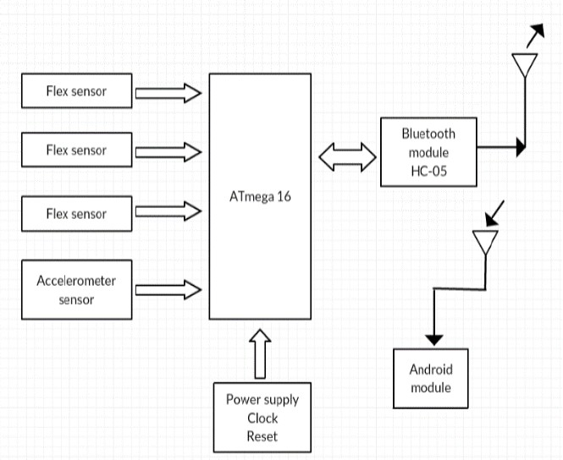 | This paper highlights the to reduce the communication gap between deaf or mute community and normal people. The proposed system in this paper will improve dumb/ deaf person’s lifestyle. Even it will be beneficial for the communication between the blind person and the dumb person. | 1.motivation 2.coordination 3.joint trust 4.exchange of ideas 5.proper supervision | 1.conflict 2.waste of time 3.performence review 4.semantic problem
2 | 2013 | Pallavi Verma , Shimi S. L. , Richa Priyadarshani | Design of Communication Interpreter for Deaf and Dumb Person | In this paper, we describe gesture based device for deaf and dumb person as communication for a person, who cannot hear is visual, not auditory. Generally dumb people use sign language for communication, but they find difficulty in communicating with others who don’t understand sign language | 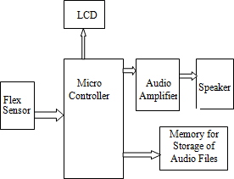 | Smart Gloves is proposed to bridge the barrier of communication between disabled person and normal person. Sign language is the only medium for deaf and dumb persons to share their feeling or thoughts with other but their communication is restricted to other disabled person as normal cannot understand what they wants to say. | 1.it requires fewer compenents soits cost low 2.light weight 3.flexible to user 4.real time translation | 1.accuracy and proccesing of system may be slow 2.we may have some difficult in operating the glove 3.these gloves cannot capture the facial expression
3 | 2020 | Gowriswari S, Roshan J, Aadhithyan M, Venkatesh R, | An Assistive Device For Deaf And Dumb People | This system describes a speech enabled hand glove system which aims at translation of sign language to analyze text input and voice. A system is designed that translates the hand finger motion to corresponding letters, using HC -SR04 ultrasonicsensors and an arduino mega board. | 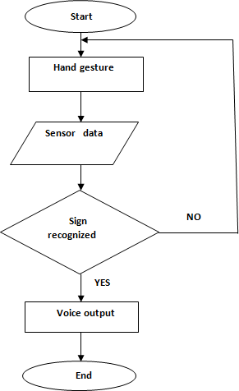 | The proposed method translates sign language to speech automatically and help differently abled people to convey their thoughts on their own. The proposed system overcomes the real time difficulties faced by hearing- impaired people and helps them to improve their lifestyle | 1.enables deaf people to communicate easier with others 2.intended to be cheaper as popularity grows 3.intended to be 99% accurate | 1.costly-$400 a per 2.proto type-90% accurancy
4 | 2020 | Taniya Sahanaa , Soumi Paulb, Subhadip Basub , Ayatullah Faruk Mollaha, | Hand sign recognition from depth images with multi-scale density features for deaf mute persons | Among many of the fastest growing research fields, sign language recognition is one of the top. Deaf and dumb community uses sign language to express their ideas or views. Sign Language is a methodical coded language where meanings are assigned to every gestures. | Orientation normalization of symbols | Hand gesture recognition is a challenging problem in designing real life applications for deaf mute community. In this paper, we have presented an efficient method to recognize hand gestures captured with Kinect V1. | 1.easier representation 2.makes the presentation attractive 3.quick expressing of messege | 1.the main downfall of makaton signing lies in the fact that communication partnermust also be aspeaker of makaton 2.makaton is not an appropiate form of communicationto use in everyday social situation

